Table 1
 |  |  | 
 |  | ITEM | MODEL AND COLOUR | 46 | 48 | XS | S | M | T U - UNIQUE SIZE | TOTAL QTY | WHS | TOT WHS | RETAIL | TOT RETAIL
 | 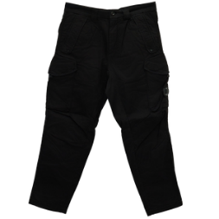 | Style: 14CMPA059A005694G999 | CARGO PANT Color: BLACK | 64 | 66 |  |  |  |  | 130 | €119,00 | 15470 | 298 € | 38,675 €
 | 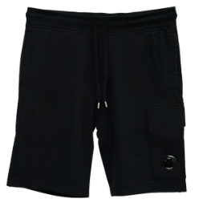 | Style: 14CMSB021A002246G999 | CARGO Color: BLACK |  |  |  | 21 |  |  | 21 | €80,00 | 1680 | 200 € | 4,200 €
 | 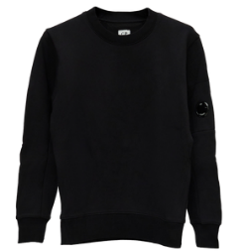 | Style: 14CMSS022A005086W999 | HOODED Color: BLACK |  |  | 8 |  |  |  | 8 | € 110.00 | € 880.00 | 275 € | 2,200 €
 | 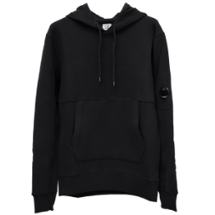 | Style: 14CMSS023A005086W999 | SWEAT HOODED Color: BLACK |  |  | 21 | 166 | 220 |  | 407 | €110,00 | 44770 | 275 € | 111,925 €
 | 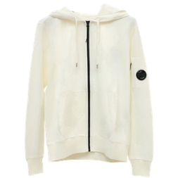 | Style: 14CMSS034A002246G103 | HOODED OPEN Color: GAUZE WHITE |  |  | 0 |  |  |  | 0 | € 110,00 | 0 | 275 € | 0 €
 | 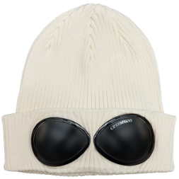 | Style: C.P. COMPANY KNIT CAP | KNIT CAP Color: GAUZE WHITE |  |  |  |  |  | 10 | 10 | € 57,00 | 570 | 143 € | 1,425 €
 | 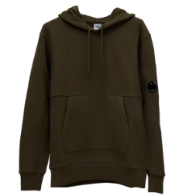 | Style: 14CMSS023A005086W683 | SWEAT HOODED Color: IVY GREEN |  |  |  | 6 | 6 |  | 12 | €110,00 | 1320 | 275 € | 3,300 €
 | 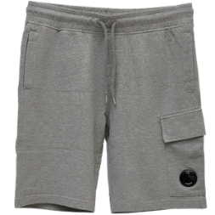 | Style: 14CMSB021A002246GM93 | CARGO Color: GREY MELANGE |  |  |  | 11 | 25 |  | 36 | €80,00 | 2880 | 200 € | 7,200 €
 | 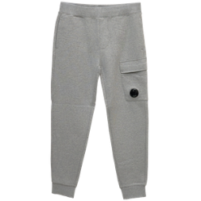 | Style: 14CMSP017A005086WM93 | CARGO PANT Color: GREY MELANGE |  |  | 6 | 0 |  |  | 6 | €90,00 | 540 | 225 € | 1,350 €
 | 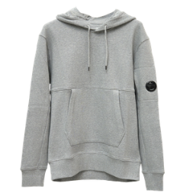 | Style: 14CMSS023A005086WM93 | SWEAT HOODED Color: GREY MELANGE |  |  | 1 | 1 |  |  | 2 | € 110,00 | 220 | 275 € | 550 €
 | 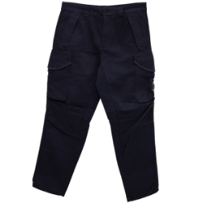 | Style: 14CMPA059A005694G888 | CARGO PANT Color: TOTAL ECLIPSE | 45 | 52 |  |  |  |  | 97 | €119,00 | 11543 | 298 € | 28,858 €
 | 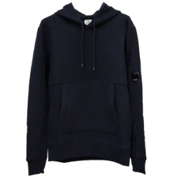 | Style: 14CMSS023A005086W888 | SWEAT HOODED Color: TOTAL ECLIPSE |  |  |  | 6 | 44 |  | 50 | €110,00 | 5500 | 275 € | 13,750 €
 |  | Style: 12CMSP071A005086W | JOGGER PANTS Color: Seneca Rock |  |  |  | 1 |  |  | 1 | 90 | 90 | 225 € | 225 €

€ 85.310,00 € 778 |  |  |  |  |  |  |  |  |  | 780 |  | 85,463 € |  | 213,658 €

